Caps
Product Code | TEAM WEAR | ONE SIZE | Image | RRP
V09TC | TEAM CAP | 4343 | 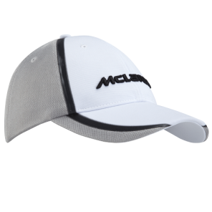 | £25.00
V09CAP2 | FASHION CAP | 1536 | 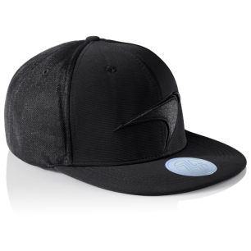 | £24.95
V09D2CC | TEAM CAP KIDS | 2328 |  | £15.95
 |  | 8207

Ladies Wear
Product Code | TEAM WEAR | XS | S | M | L | XL | XXL | XXXL | Stock | Image | RRP
V09LD1T1 | BUTTON FEMALE T-SHIRT | 236 | 477 | 576 | 490 | 196 | 0 | 0 | 1975 | 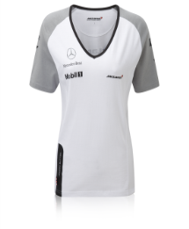 | £29.95
V09LH | FEMALE HOODED SWEATSHIRT | 148 | 194 | 219 | 217 | 82 | 0 | 0 | 860 | 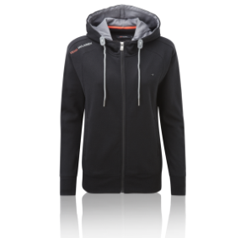 | £49.95
V09LT4 | FEMALE ROUNDEL T-SHIRT | 114 | 197 | 230 | 190 | 102 | 0 | 0 | 833 | 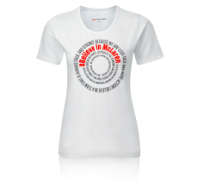 | £24.95
V09LD1T1 | BUTTON FEMALE ICHIBAN T-SHIRT | 98 | 182 | 235 | 177 | 85 | 0 | 0 | 777 | 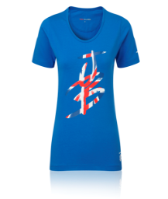 | £24.95
V09LD2T1 | MAGNUSSEN FEMALE T-SHIRT | 30 | 225 | 237 | 169 | 94 | 0 | 0 | 755 |  | £29.95
V09LT1 | FEMALE TEAM T-SHIRT | 158 | 142 | 77 | 44 | 32 | 0 | 0 | 453 | 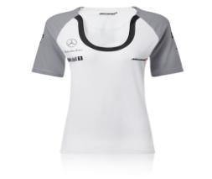 | £39.95
V09LRLW | FEMALE TEAM JACKET | 32 | 69 | 97 | 73 | 24 | 0 | 0 | 295 | 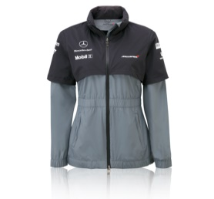 | £149.95
V09RLS | FEMALE TEAM SWEATSHIRT | 0 | 40 | 52 | 44 | 48 | 0 | 0 | 184 | 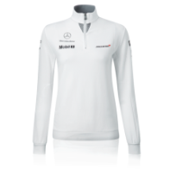 | £89.95
 |  |  |  |  |  |  |  |  | 6132

Kids Wear
Product Code | TEAM WEAR | XS | S | M | L | XL | XXL | XXXL | Stock | Image | RRP
V09CD1T1 | BUTTON KIDS T-SHIRT | 0 | 443 | 495 | 398 | 276 | 103 | 0 | 1715 | 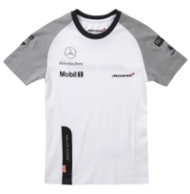 | £22.95
V09CD1T2 | BUTTON KIDS ICHIBAN T-SHIRT | 0 | 181 | 178 | 169 | 94 | 40 | 0 | 662 | 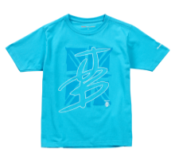 | £17.95
V09CD2T1 | MAGNUSSEN KIDS T-SHIRT | 0 | 92 | 119 | 105 | 90 | 61 | 0 | 467 | 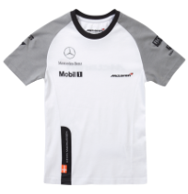 | £22.95
 |  |  |  |  |  |  |  |  | 2844

Babies Wear
Product Code | TEAM WEAR | XS | S | M | L | XL | XXL | XXXL | ONE SIZE | Stock | Image | RRP
V09BT1 | BABY TEAM T-SHIRT | 0 | 365 | 326 | 0 | 0 | 0 | 0 | 0 | 691 | 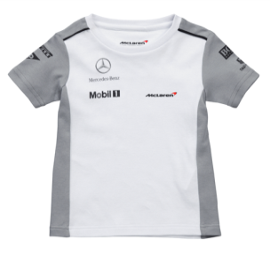 | £17.95
V09BRD16-9 | BUTTON BABY ROMPER SUITS 6-9 MONTHS | 0 | 0 | 0 | 0 | 0 | 0 | 0 | 116 | 116 |  | £22.95
V09BRD13-6 | BUTTON BABY ROMPER SUITS 3-6 MONTHS | 0 | 0 | 0 | 0 | 0 | 0 | 0 | 66 | 66 |  | £22.95
V09BRD112-18 | BUTTON BABY ROMPER SUITS 12-18 MONTHS | 0 | 0 | 0 | 0 | 0 | 0 | 0 | 45 | 45 | 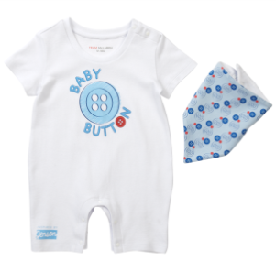 | £22.95
V09BRD19-12 | BUTTON BABY ROMPER SUITS 9-12 MONTHS | 0 | 0 | 0 | 0 | 0 | 0 | 0 | 27 | 27 |  | £22.95
 |  |  |  |  |  |  |  |  |  | 945

Accessories
Product Code | TEAM WEAR | S/M | L/XL | ONE SIZE | Stock | Image | RRP
V09D1HK | JENSON HELMET KEYRING |  |  | 1870 | 1870 | 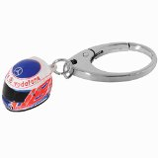 | £9.95
V08D2HK | Helmet Keyring Sergio |  |  | 1871 | 1871 | 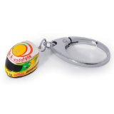 | £9.99
V09EP | EAR PLUGS |  |  | 3395 | 3395 | 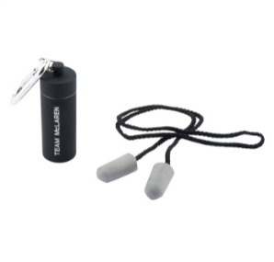 | £7.95
V09F | FLAG |  |  | 1139 | 1139 | 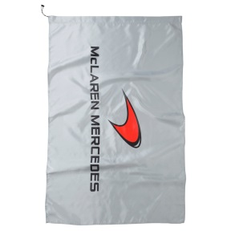 | £12.95
V09M | MUG |  |  | 1011 | 1011 | 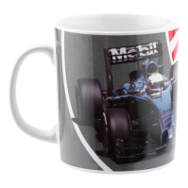 | £9.95
V07K | KEYRING |  |  | 1618 | 1618 |  | £19.99
 |  |  |  |  | 10904

